Project Details
 | Bug-Report | BlazeDemo | 
 | URL | BlazeDemo
 | Client | BlazeDemo
 | Approved Date | 16-05-2025
 | Created By | Thoorpati swathi

BUGS
q |  |  |  |  |  |  |  |  |  | ;;;;;;;;;;;;;;;;;;

Bug-ID | Bug-Description | Steps-to-reprodcue | Expected result | Actual Result | Priority | Severity | Bug identified By | Satus | Scereenshots
Bug-001 | HomePage is redirecting to Login page instead of displaying Flight Search UI | 1. Open the browser 2. Enter URL: link 3. Observe the page after loading | User should land on the Flight Search HomePage with UI elements: "Choose your departure city", "Choose destination", "Find Flights" button | User is redirected to the Login page with email and password fields | High | Critical | Swathi | Open | 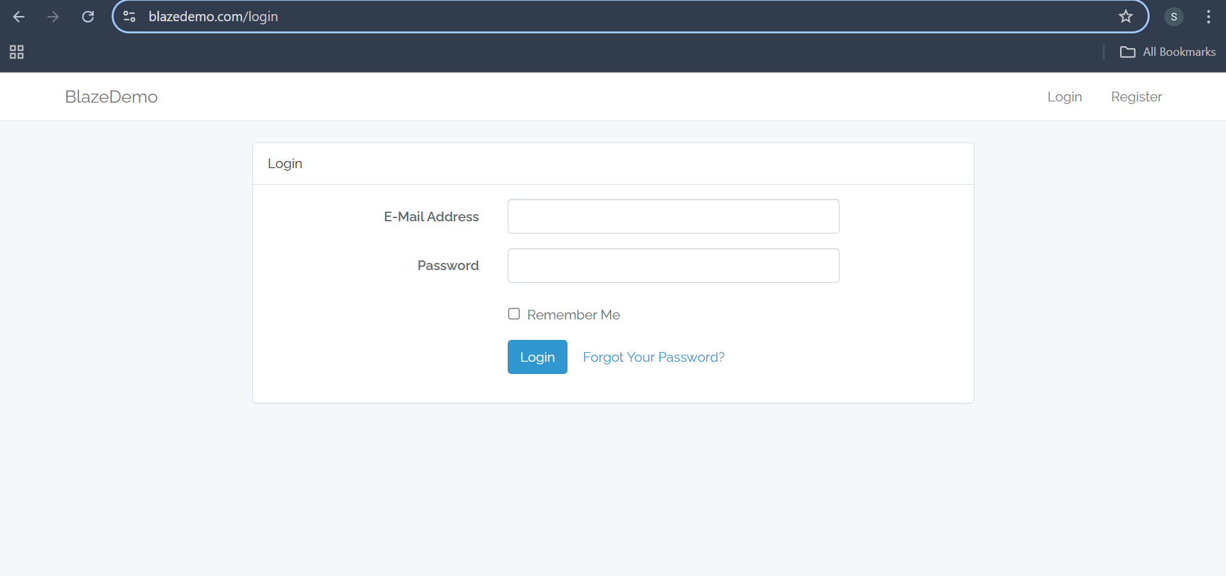
Bug-002 | No search/filter option available on the flight selection page | 1. Launch the BlazeDemo application 2. Click on the "Find Flights" button. 4. Observe the search option is available | A search bar or filtering options (e.g., by airline, price, or departure time) should be present to improve user experience and usability. | The flight results are displayed. No search or filter option is available to narrow down flights based on airline, price, time, etc. | High | Major | Swathi | Open | 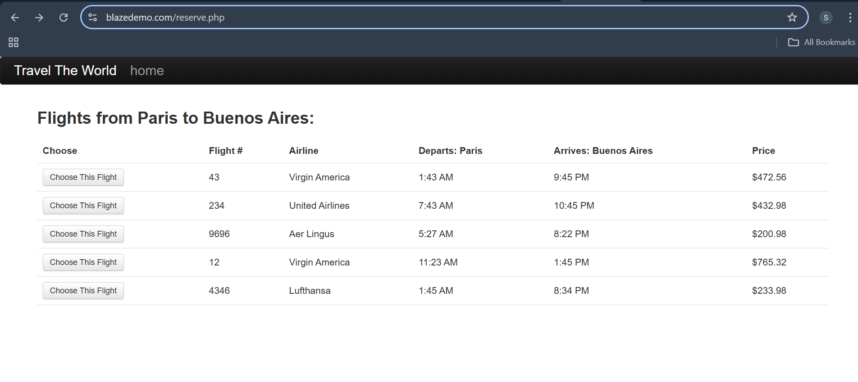
Bug-003 | No date input or calendar for flight booking. | 1. Navigate to booking page 2. Look for date selection | Should show calendar/date picker | No date picker found | High | Critical | Swathi | Open | 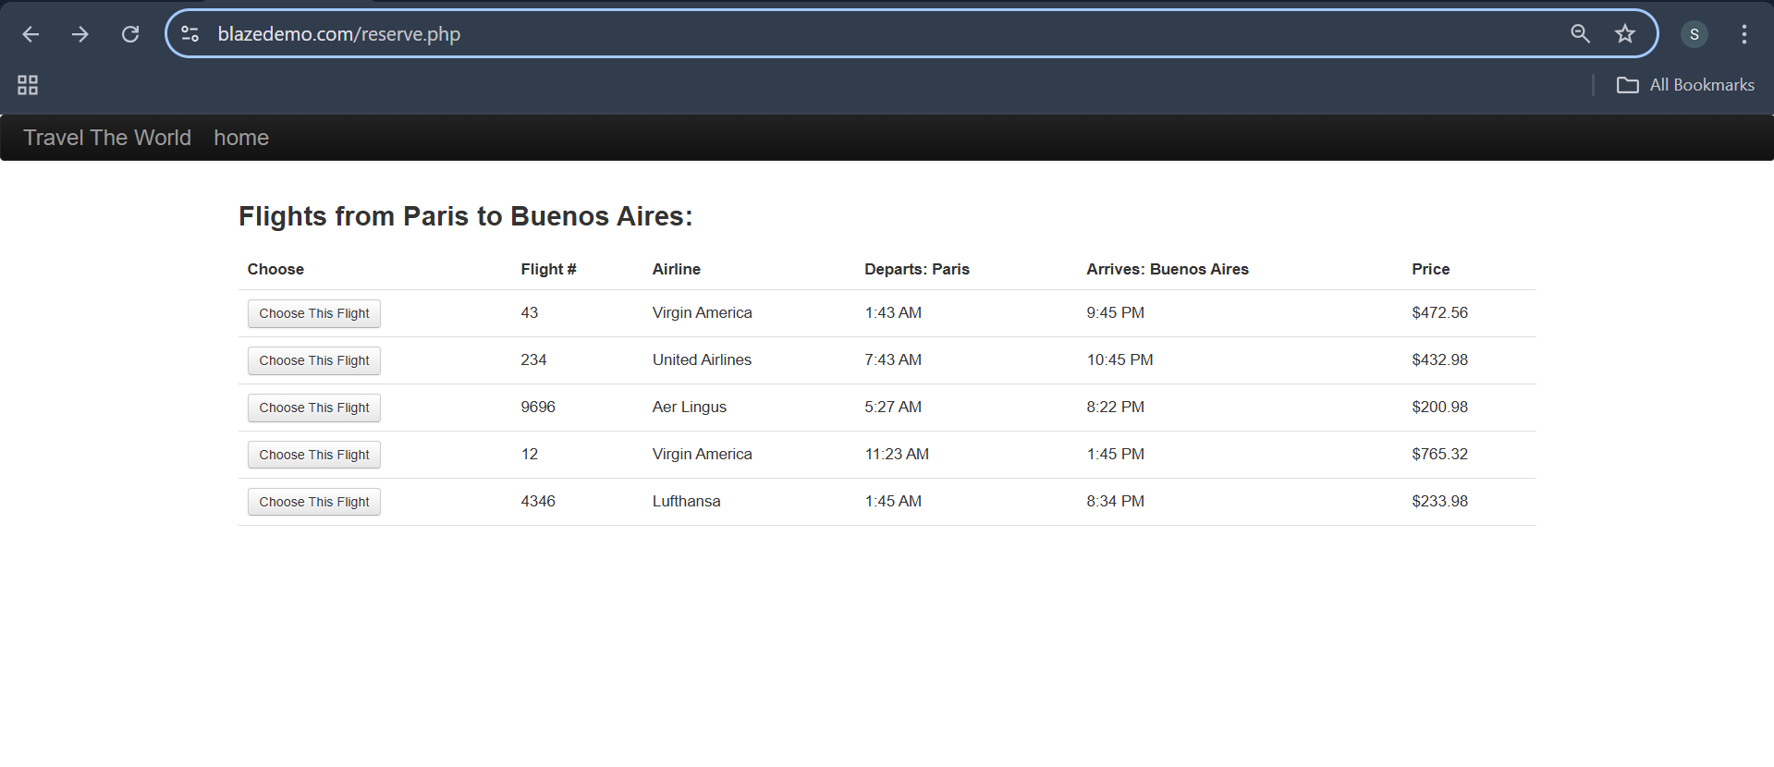
Bug-004 | City dropdown overlaps header on small screens | 1. Open site on small screen 2. Click departure dropdown | Dropdown should be fully visible | Dropdown overlaps header | Medium | Major | Swathi | Open
Bug-005 | Booking proceeds without entering personal details | 1. Open blazedemo site 2. Navigate to flights list 3. Click on purchae flight without entering details | Should get Pop up as fill the details | Directly Purchased flight without getting poup | High | Major | Swathi | Open
Bug-006 | No confirmation or success Mail after booking | 1. Click on puchase flight 2. Recieve confrimation or success mail | User should get confrimation message after booking flight to regsterd mail | No Confirmation | Medium | Major | Swathi | Open | 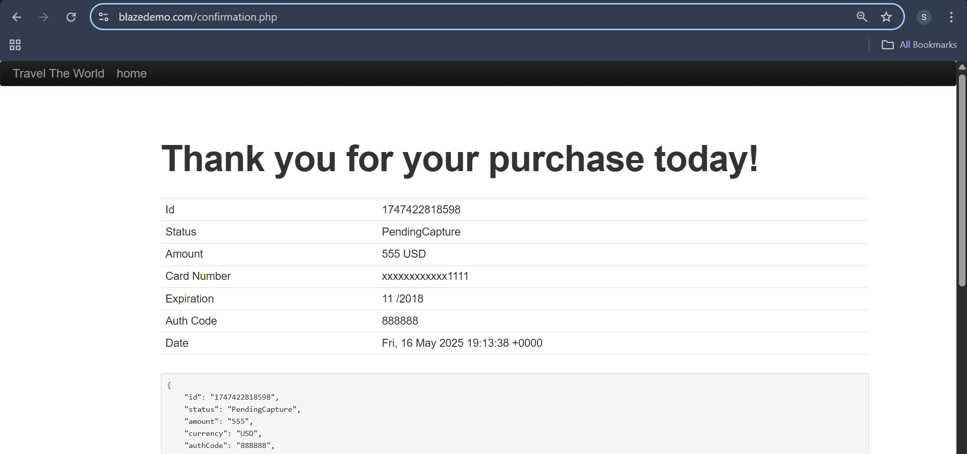
Bug-007 | Inconsistent font sizes on homepage | 1. Observe header and button fonts | The fonts szies should proper | Those are not proper | Medium | Minor | Swathi | Open | 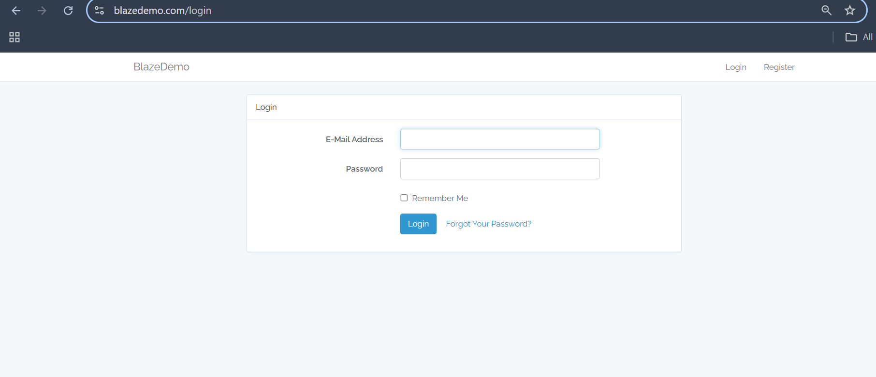
Bug-008 | Travel The World section alignment and layout is not proper | 1. Observe the Travel the world section alignment and layout | The alignments and layouts should proepr for user experience | No proper alignments | Low | Minor | Swathi | Open | 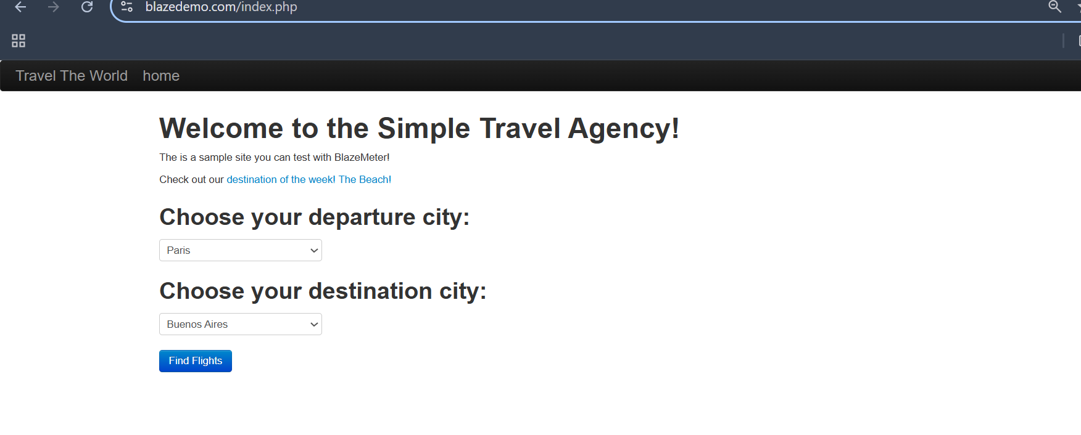
Bug-009 | No logo of BalzeDemo | 1. Navigate to the URL 2. Check the logo is available or not | Logo needs to e appears at the left cornoer | No logo | Medium | Major | Swathi | Open | 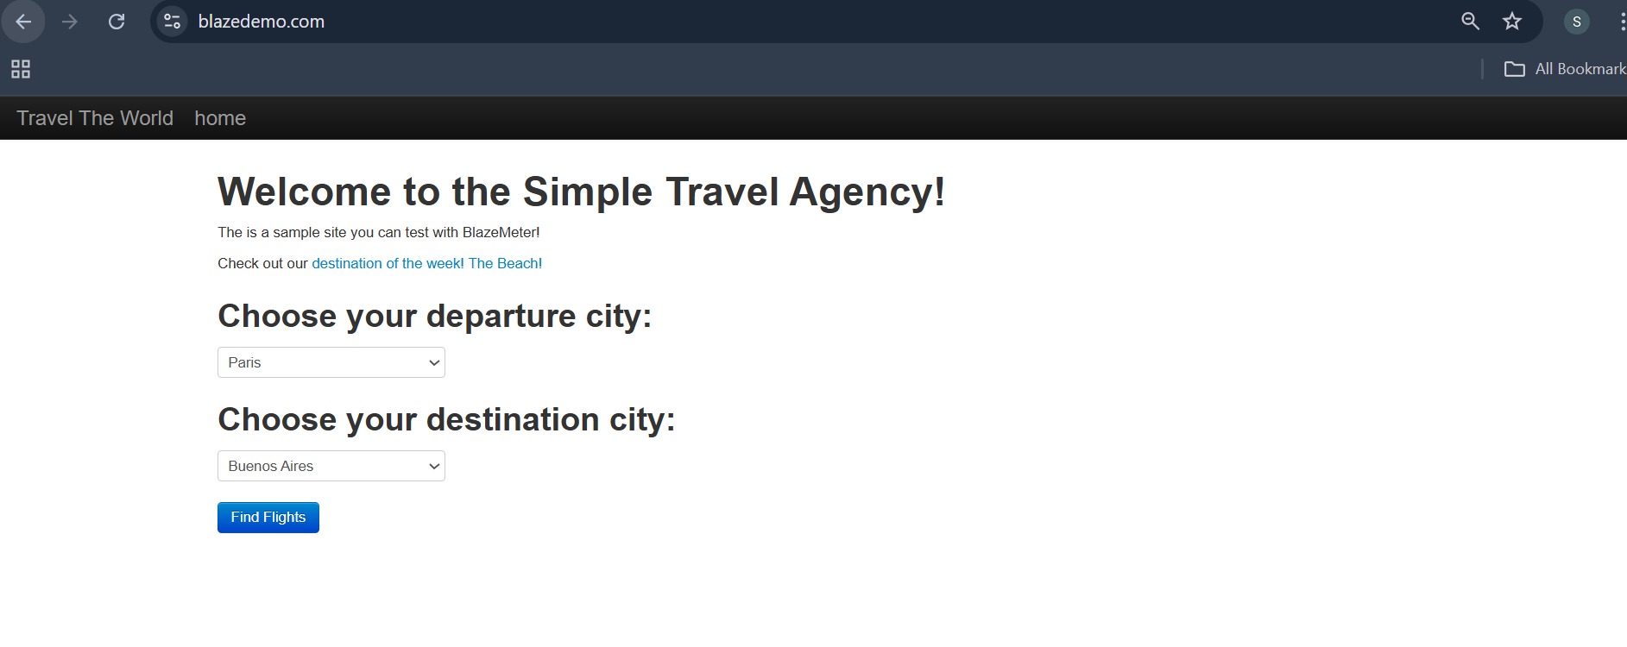
Bug-010 | In login page after filing the invalid details able to login | 1. Navigate to the URL 2. Enter invalid details in login page | need to get invalid details message | But it accepeted the invalid inputs and logged in | Medium | Major | Swathi | Open | 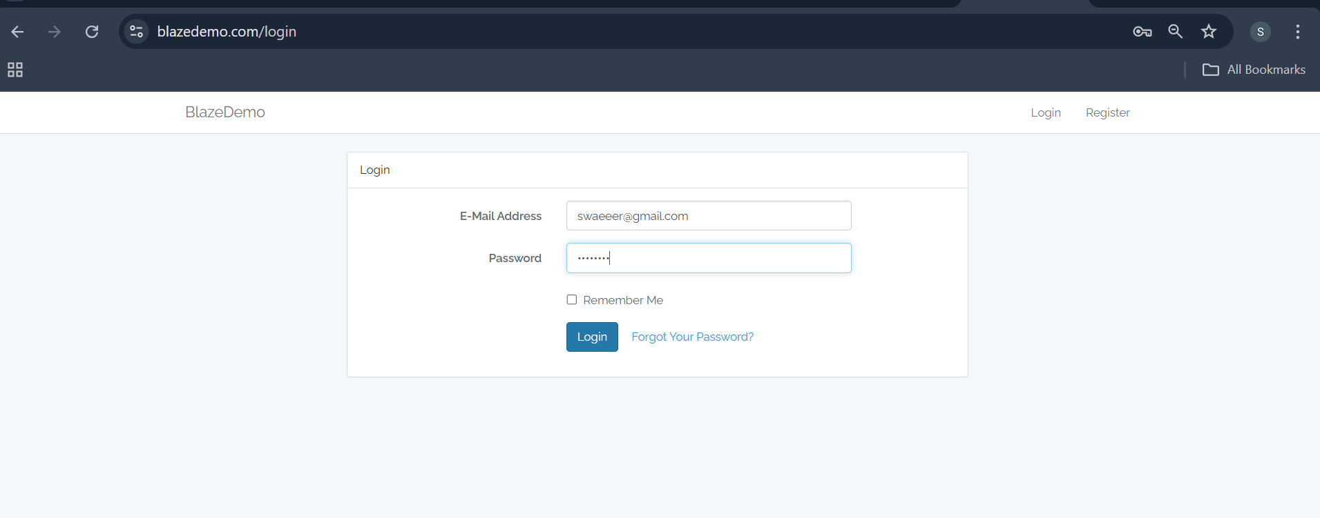
Bug-011 | Login with valid details redirecting to error page | 1. Navigate to login page 2. enter valid details and check | Need to login and redirects to the homepage | Redirects to error page | High | Critical | Swathi | Open | 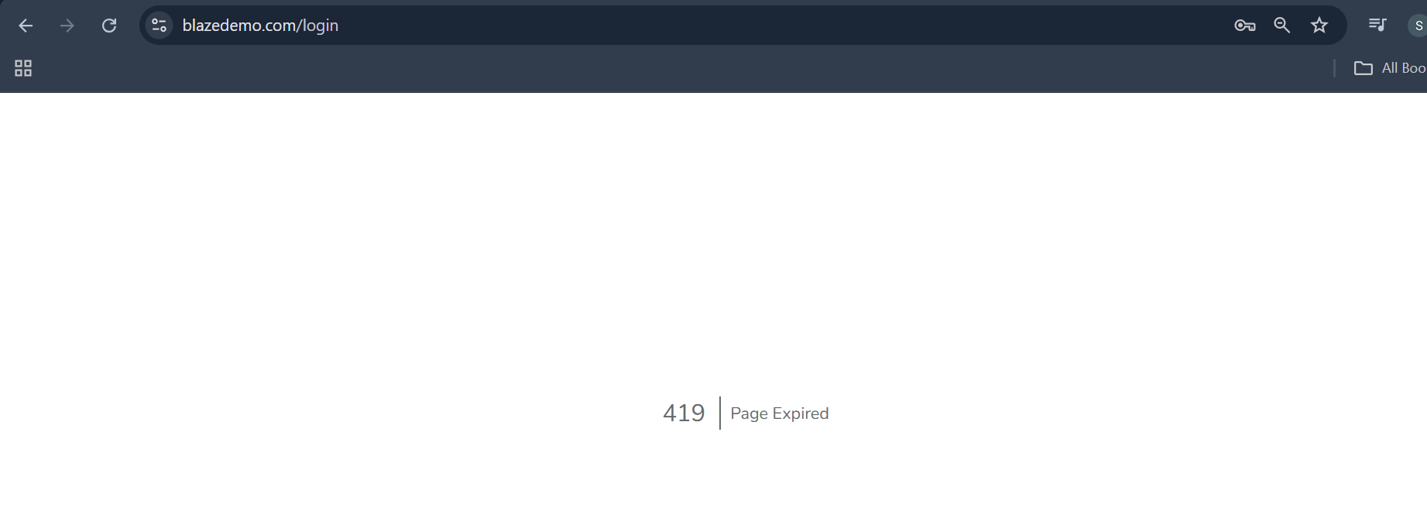
Bug-012 | Selecting with departure and destination the flights cities are not changing | 1. Navigate to list of flights 2. Check cities and flights details | The flights shoulbd needs to change under selected departure and destinations | No changes | High | Critical | Swathi | Open | 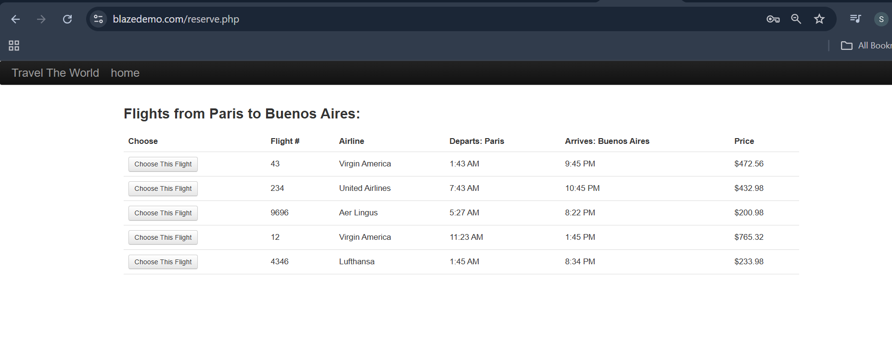
c | No option to cancel flight | 1. Navigate to list of flights 2. Choose the flight 3. Fill the formm and check to cancel option to cancel flight | There is cancel option is availabe to cancel the flight | No cancel option | High |  | Swathi | Open
Bug-014 | Alignment Issues: “Destination of the week!” image overlaps text on some devices. | 1. Navigate to the URL 2. Click on "destination of the week! The Beach!" 3. Check image alignment | The image should be in proper alignment | The image is fixed to the window | Medium | Major | Swathi | Open | 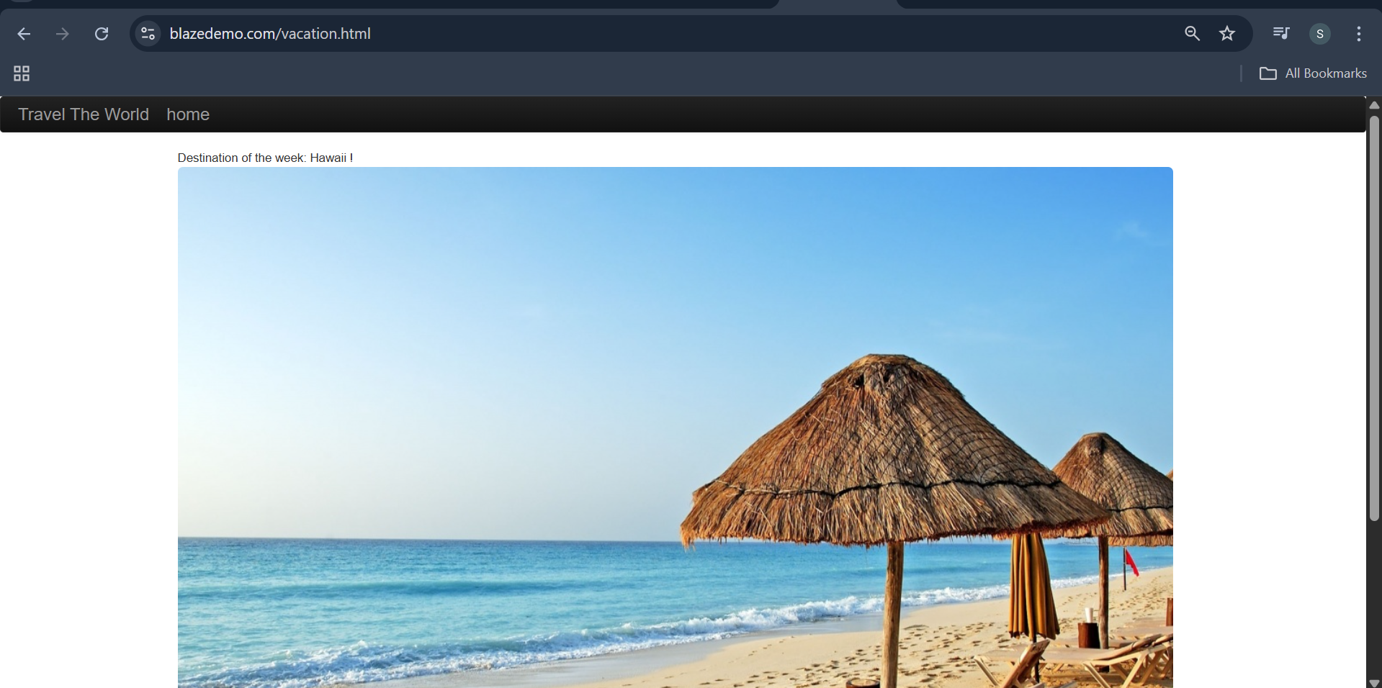
Bug-015 | No Tooltips or Help Text: For fields like “Choose Flight”, there's no guidance | Navigate to URL and check help desk | Help Text of chatbot should available | No help text or chatbot is available | Medium | Major | Swathi | Open | 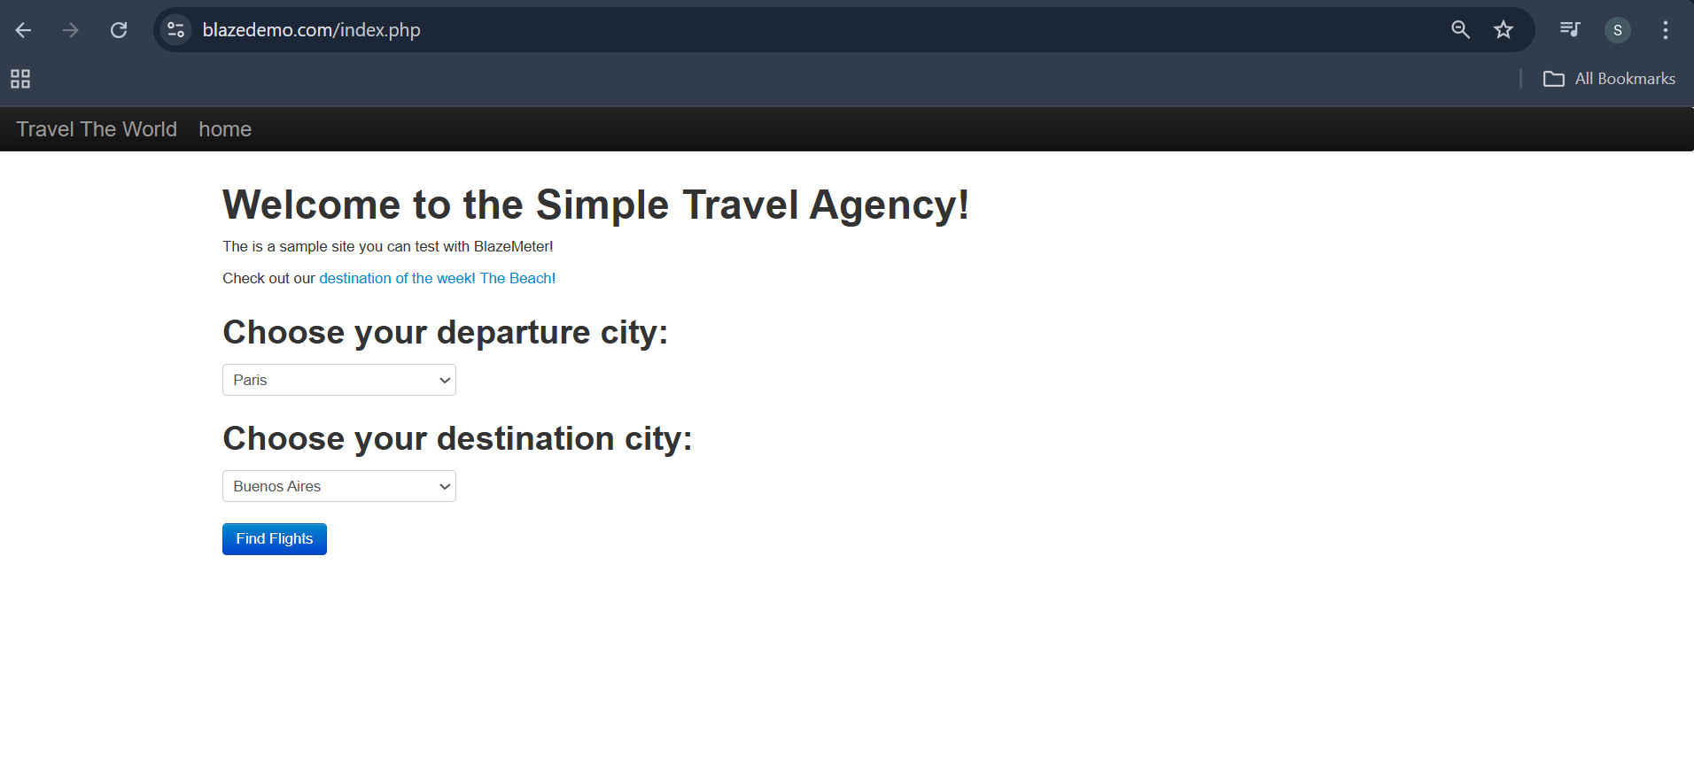
Bug-016 | Without Registering and login with random inputs , it's loggedin | 1. Navigate to login page 2. without register login | User should not be loggedin | logging in | High | Critical | Swathi | Open | 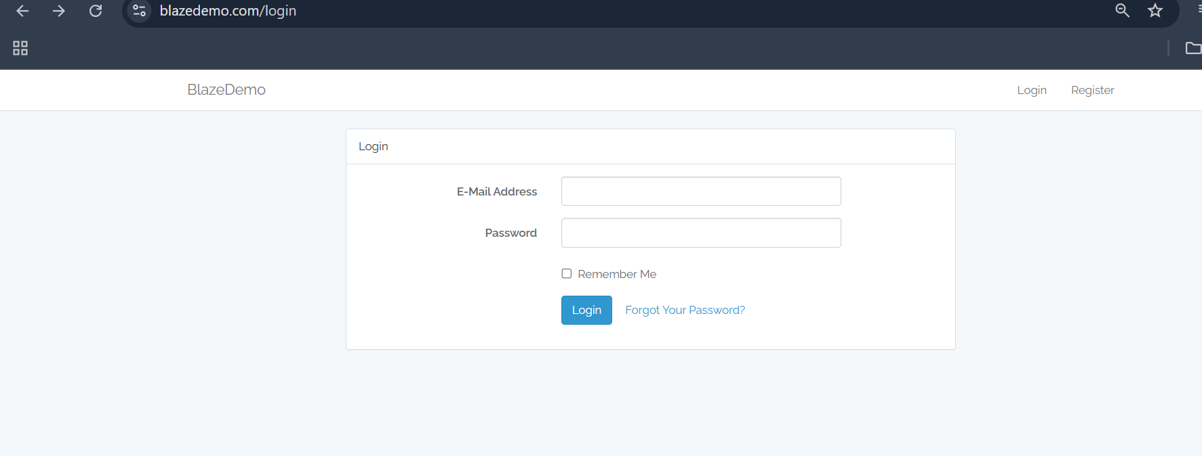
Bug-017 | Booking Proceeds with Empty Fields: Booking proceeds without user info. | 1. Navigate to URL 2. submit the form without filling details 3. And try to book flight | Without details bookings should not be booked | Bookings are booked | High | Major | Swathi | Open | 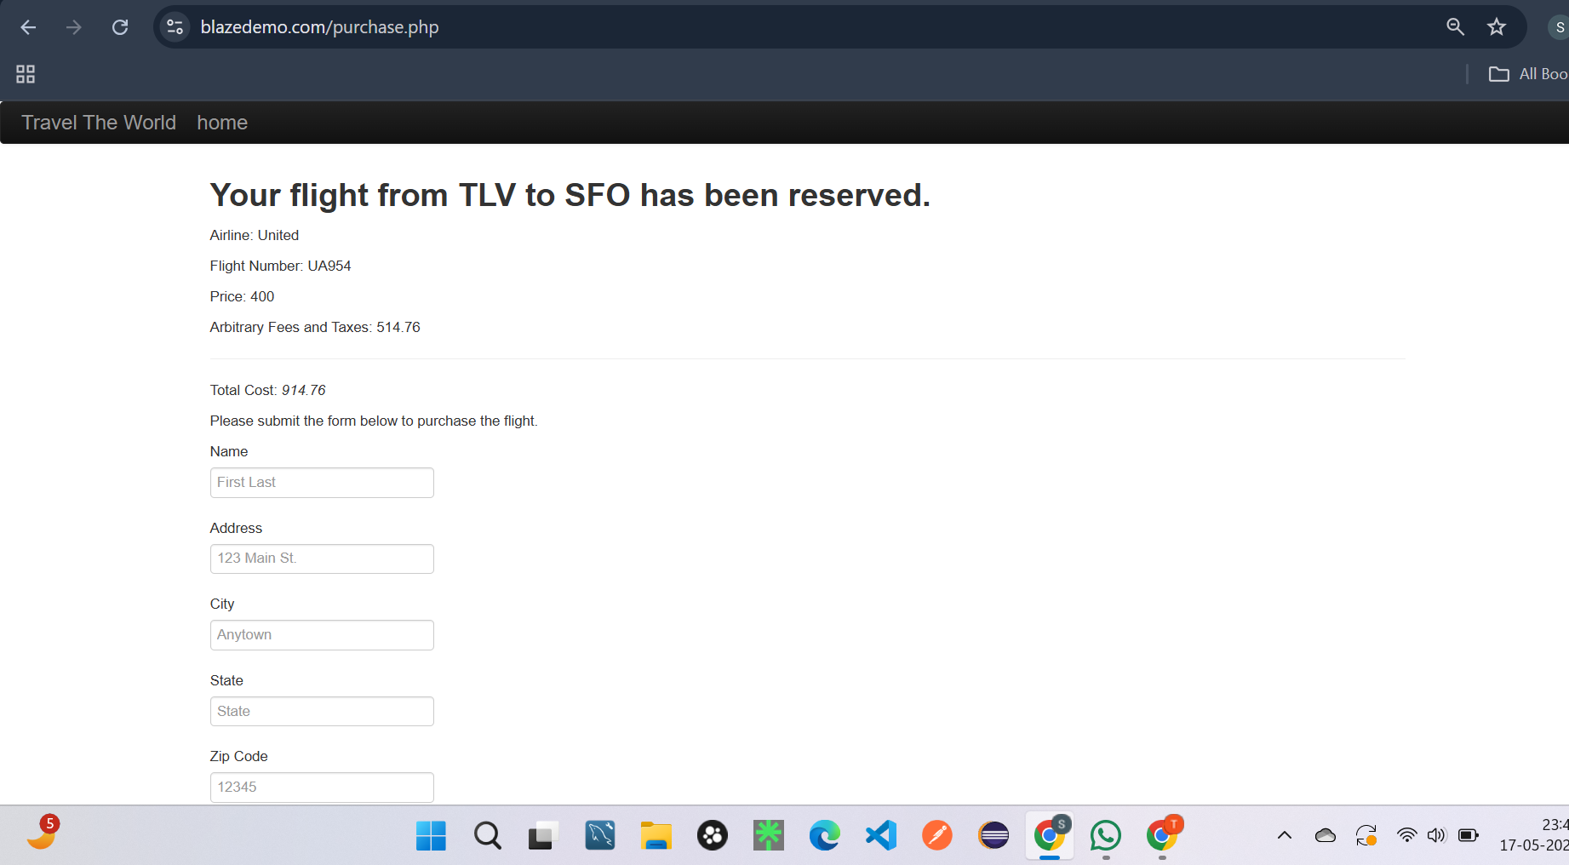 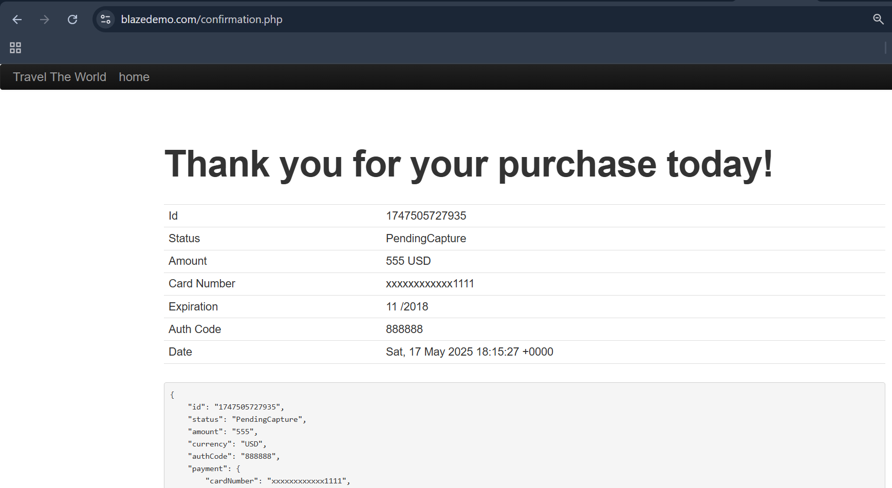
Bug-018 | No limitless cities in departure and destination dropwdowns | 1. Navigate to dropdowns in departure cities and destination cities | Limitless cities should available in dropdowns | No extened cities only limited | High | Critical | Swathi | Open | 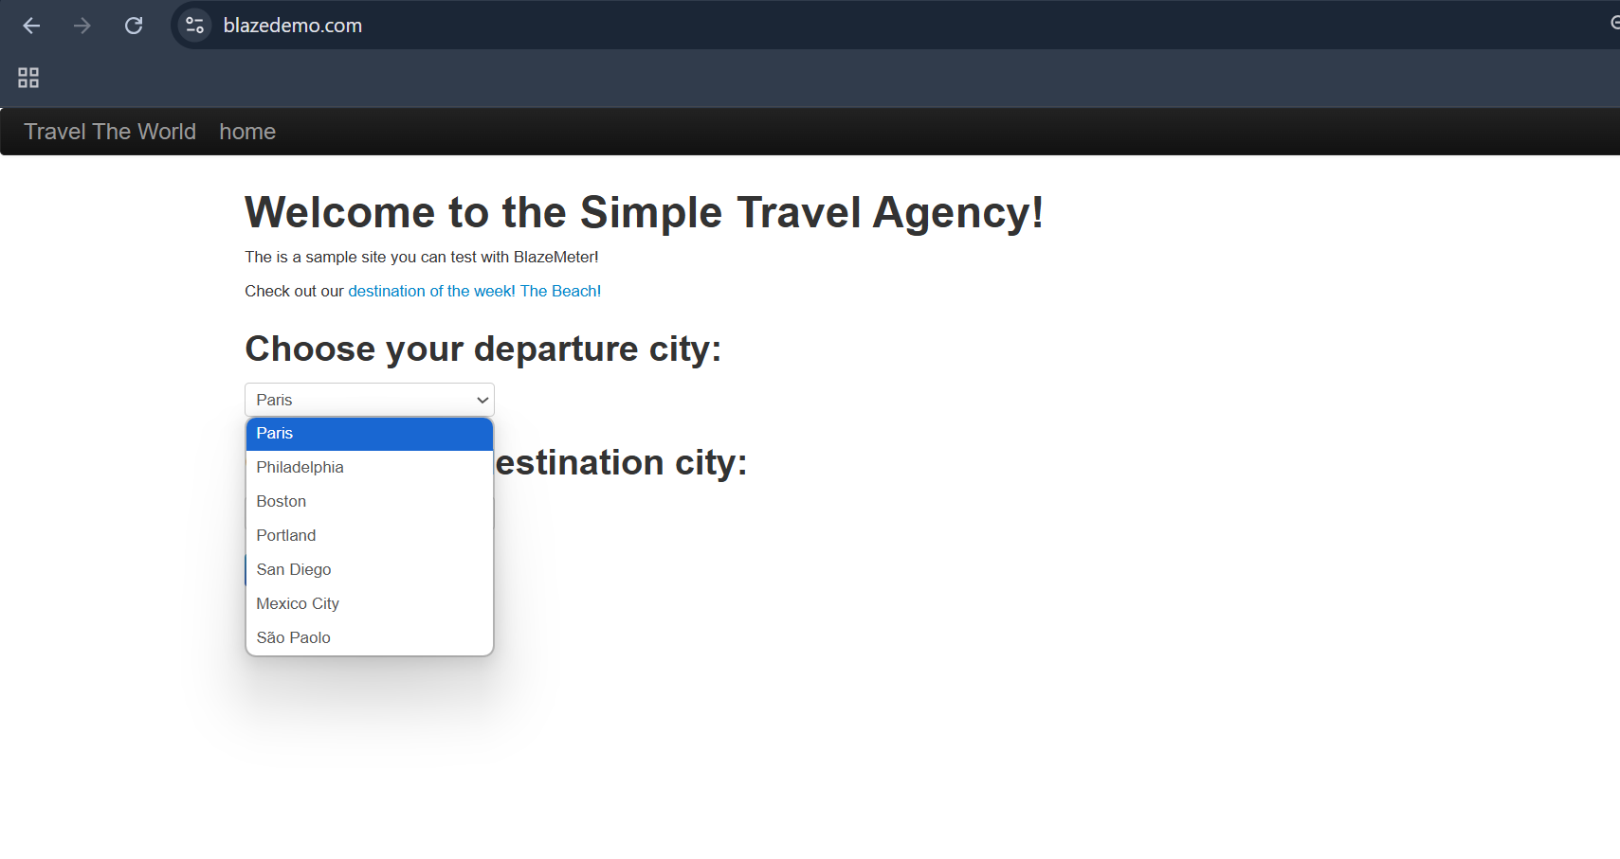
Bug-019 | No Session Timeout: Once booked, session stays forever. | 1. Navigate to URL 2. perform anything 3. Wait for long and check session timeout | session time should and user should logged out | But session time not ending | High | Critical | Swathi | Open | 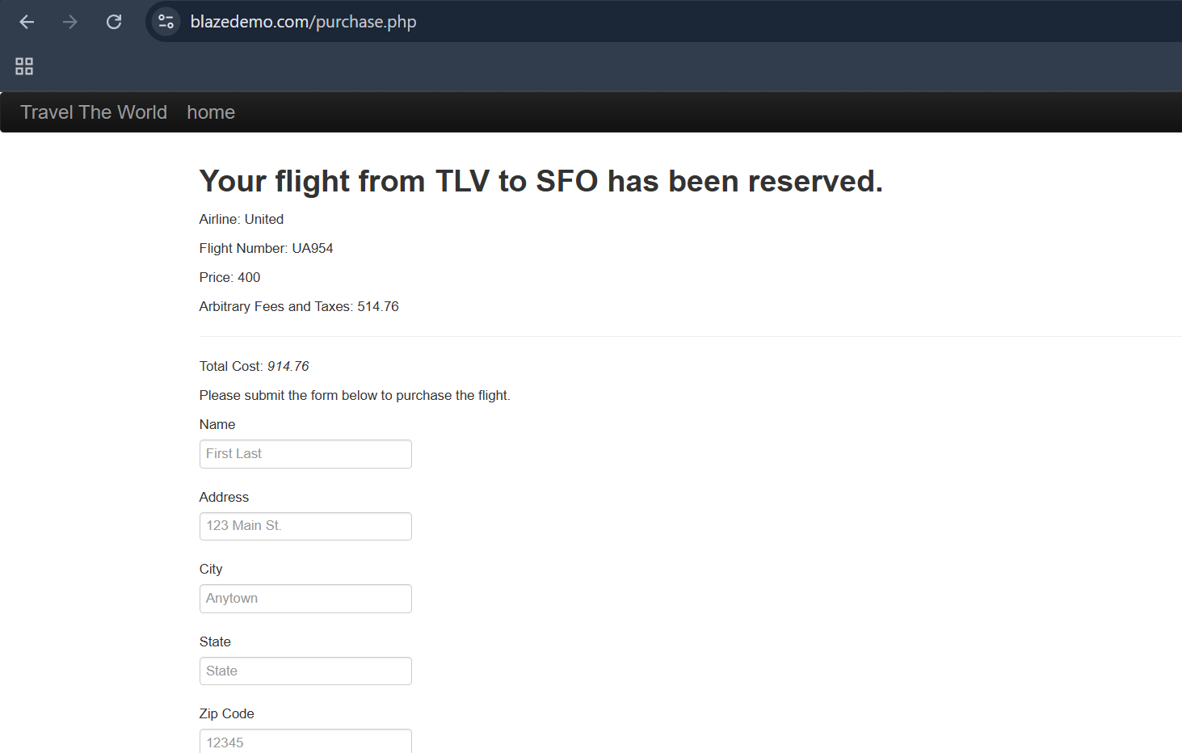
Bug-020 | Multiple Submissions: Double clicking "Choose This Flight" books twice. | 1. Navigate to find flights 2. Click on the choose this flights double times 3. Check twicely it's booking | flights should not books by twice clicking on | flights are boooking twice and thrice | High | Major | Swathi | Open
Bug-021 | No Accessibility Features: Doesn’t support screen readers or keyboard-only nav. | 1. navigate to Pages 2. Scroll down buttons cheeck | Scroll buttons should be available in application | No buttons only keyboard navigations | Medium | Major | Swathi | Open
Bug-022 | Page Allows Browser Back After Booking: Could cause duplicate bookings. | 1. Navigate to different pages 2. Check the pages back | The duplicate bookings should not books | Duplicate bookings are booked | High | Critical | Swathi | Open

